Images
Visual Trajectory Comparison Sampling at 50%

 | Cartesian |  | Random |  | Radial |  | Spiral |  | VDC |  | VDR

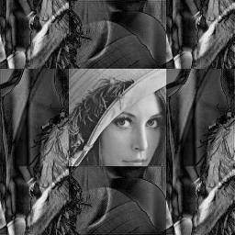
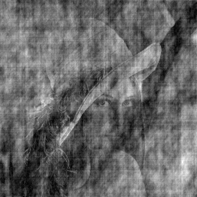
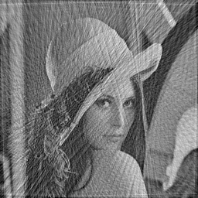

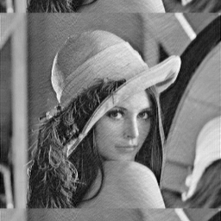
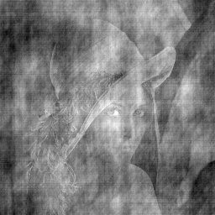

Lena

 | PSNR = 9.90364 | SSIM = 0.102562 | PSNR = 14.5215 | SSIM =0.497137 | PSNR = 21.4814 | SSIM =0.89144 | PSNR = 22.2842 | SSIM =0.938167 | PSNR = 16.7217 | SSIM =0.732832 | PSNR = 14.2468 | SSIM =0.347824
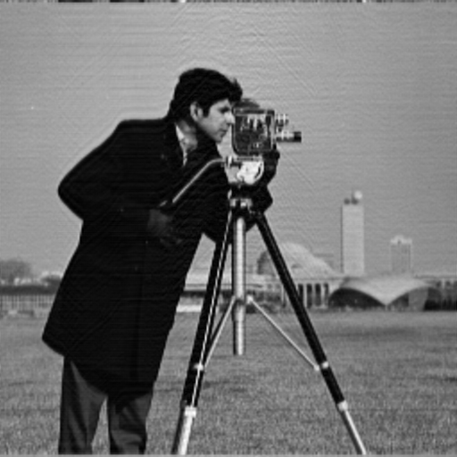
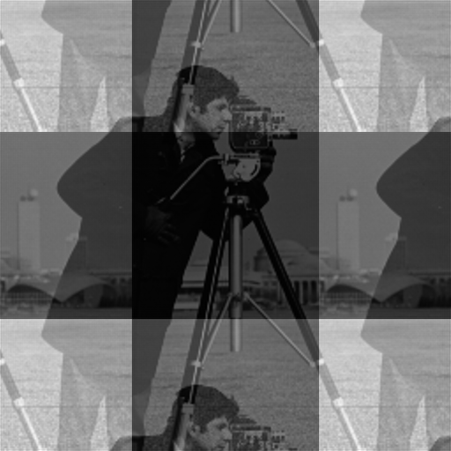
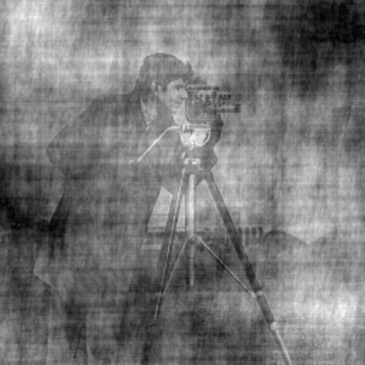
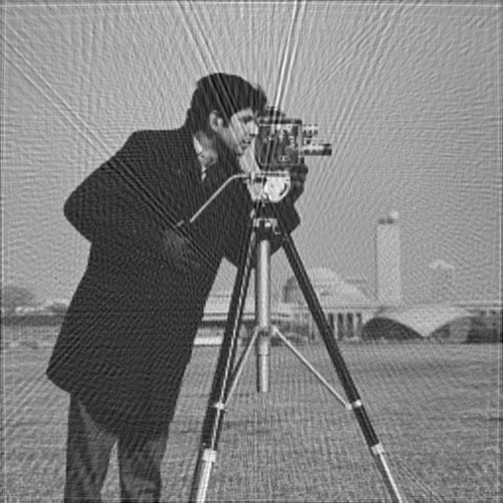
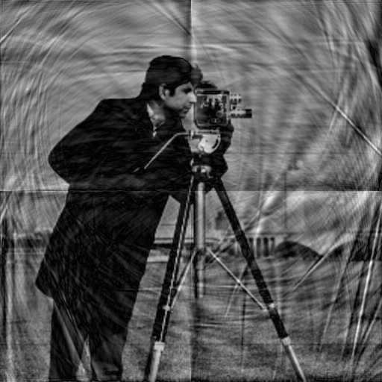

Cameraman

 | PSNR = 11.8669 | SSIM =0.451115 | PSNR = 11.6023 | SSIM =0.217388 | PSNR = 20.9211 | SSIM =0.926734 | PSNR = 15.5853 | SSIM =0.824032 | PSNR = 25.231 | SSIM =0.976875 | PSNR = 11.7323 | SSIM =0.346615

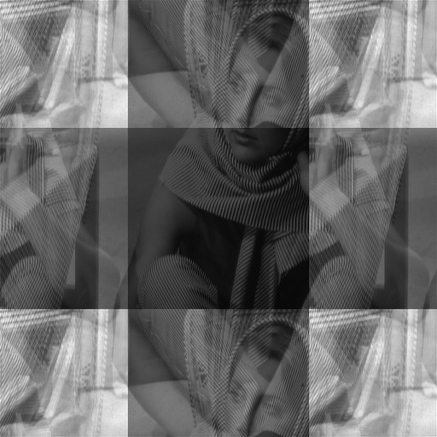
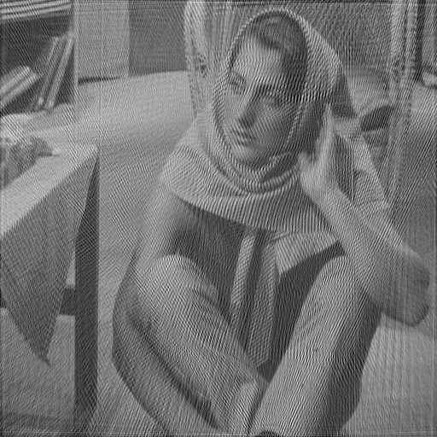
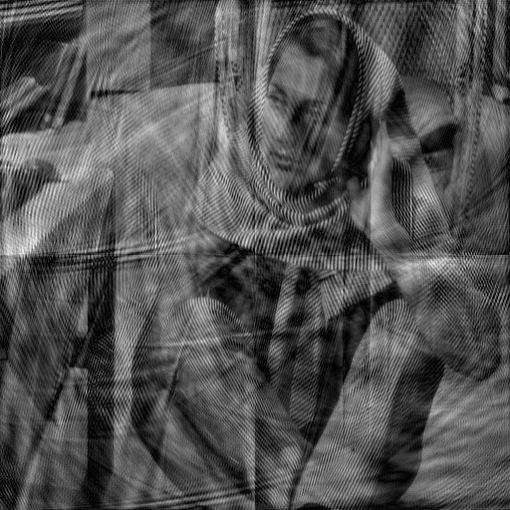
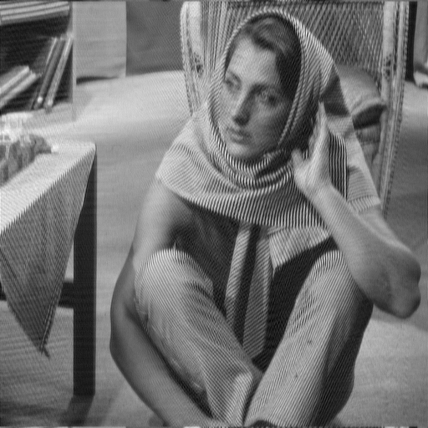
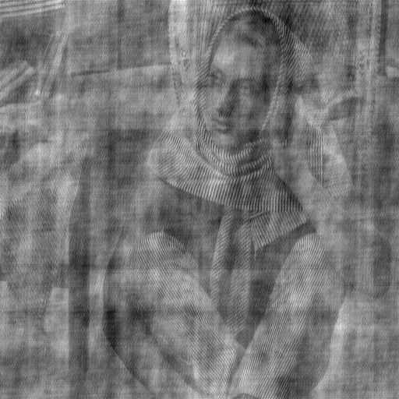
Barbara

 | PSNR = 12.384 | SSIM =0.277365 | PSNR = 10.9867 | SSIM =0.0466791 | PSNR = 19.9979 | SSIM =0.812293 | PSNR = 15.8856 | SSIM =0.776537 | PSNR = 25.2833 | SSIM =0.959009 | PSNR = 16.4095 | SSIM =0.525745
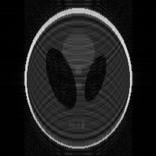



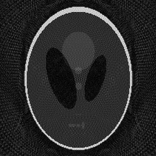
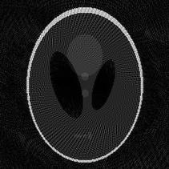
Shepp-Logan

 | PSNR = 13.0082 | SSIM =0.433758 | PSNR = 14.7751 | SSIM =0.484833 | PSNR = 18.302 | SSIM =0.776711 | PSNR = 18.9917 | SSIM =0.814208 | PSNR = 18.886 | SSIM =0.814769 | PSNR = 14.569 | SSIM =0.45987
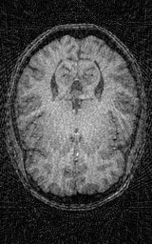
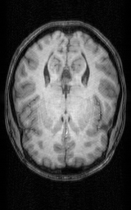
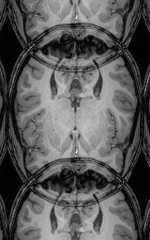
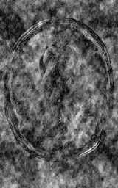
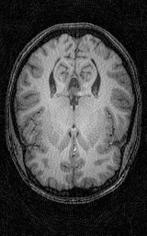
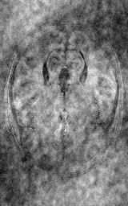

Brain 1 MRI

 | PSNR = 11.075 | SSIM =0.389696 | PSNR = 10.4984 | SSIM =0.111462 | PSNR = 21.7284 | SSIM =0.945232 | PSNR = 26.8355 | SSIM =0.983788 | PSNR = 23.6689 | SSIM =0.970905 | PSNR = 9.2962 | SSIM =0.230465
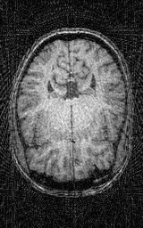
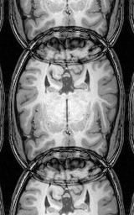
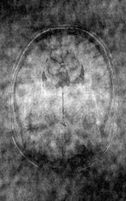
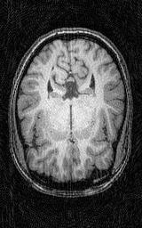
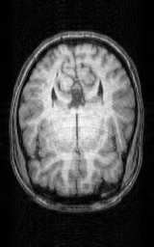
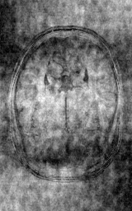

Brain 2 MRI

 | PSNR = 9.54748 | SSIM =0.457381 | PSNR = 11.9295 | SSIM =0.602794 | PSNR = 19.1914 | SSIM =0.925924 | PSNR = 24.3562 | SSIM =0.979789 | PSNR = 24.902 | SSIM =0.983031 | PSNR = 9.16338 | SSIM =0.25017

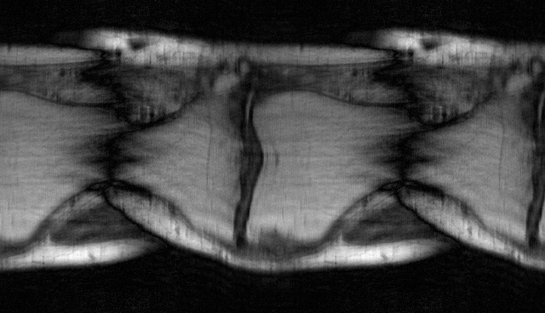
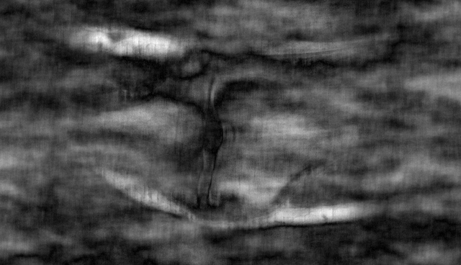
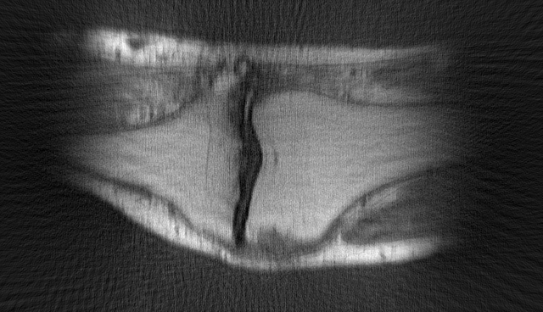
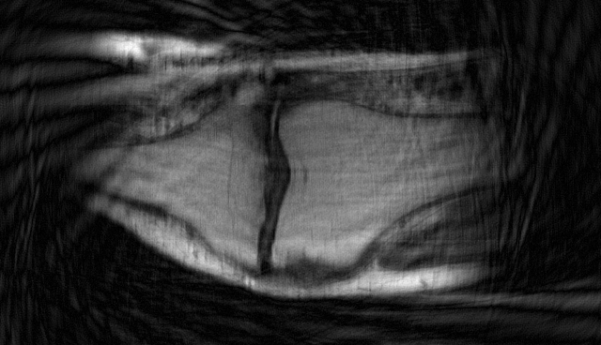
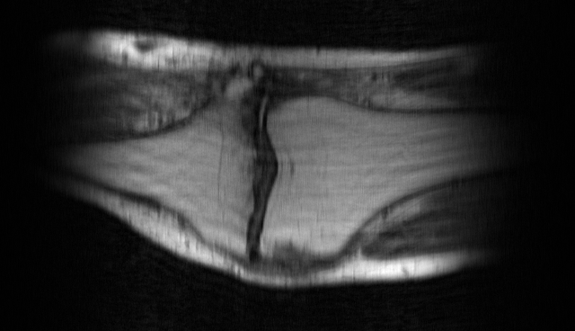
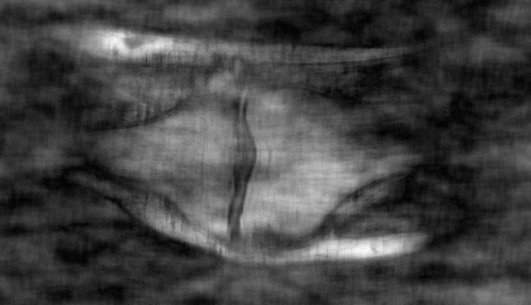
Knee MRI

 | PSNR = 13.1798 | SSIM =0.489103 | PSNR = 13.7754 | SSIM =0.437654 | PSNR = 19.2272 | SSIM =0.884832 | PSNR 24.2289 | SSIM =0.950292 | PSNR =38.7377 | SSIM =0.998398 | PSNR = 16.0631 | SSIM =0.685646

